Sheet1
Autocorrelation function
Trend of change in discharge
 | Annaul Mean | 5-year running average
1995 | 24.0324019
1996 | 27.62529781
1997 | 28.28619399
1998 | 33.69623626
1999 | 29.66490685 | 28.661007362
2000 | 34.95715342 | 30.845957666
2001 | 28.24889863 | 30.97067783
2002 | 19.68926301 | 29.251291634
2003 | 39.70421429 | 30.45288724
2004 | 16.23510656 | 27.766927182
2005 | 21.89010963 | 25.153518424
2006 | 17.54133068 | 23.012004834
2007 | 23.24370685 | 23.722893602
2008 | 24.19370011 | 20.620790766
2009 | 21.10401648 | 21.59457275
2010 | 23.18689589 | 21.853930002
2011 | 23.62412904 | 23.070489674
2012 | 19.85898634 | 22.393545572
2013 | 29.98053699 | 23.550912948
2014 | 20.55781096 | 23.441671844
2015 | 19.73936986 | 22.752166638
2016 | 28.33258743 | 23.693858316
2017 | 23.42462568 | 24.406986184
2018 | 15.85299452 | 21.58147769
2019 | 18.27254918 | 21.124425334
2020 | 30.5201989 | 23.280591142
2021 | 30.95216164 | 23.804505984
2022 | 25.30703014 | 24.180986876
year | Mean annual discharge |  | lag | lag | Correlation
1995 | 24.0324019 |  | 0 | r(0) | 1 |  | Open a time series file to start
1996 | 27.62529781 |  | 1 | r(1) | 0.043388423127
1997 | 28.28619399 |  | 2 | r(2) | 0.11547215325 |  | File: 'D:\Andhi Khola and Jhimruk\Dscreen\TS_Jhimruk_Q_ann2.txt'
1998 | 33.69623626 |  | 3 | r(3) | 0.15800850255
1999 | 29.66490685 | 28.661007362 | 4 | r(4) | 0.072291715895 |  | Summary : Start = 1995 End = 2022 Length = 28
2000 | 34.95715342 | 30.845957666 | 5 | r(5) | 0.094727965575
2001 | 28.24889863 | 30.97067783 | 6 | r(6) | -0.21851767094 |  | Min Q1 Median Q3 Max
2002 | 19.68926301 | 29.251291634 | 7 | r(7) | -0.043385880261 |  | 15.85 20.21 23.83 29.00 39.70
2003 | 39.70421429 | 30.45288724 | 8 | r(8) | -0.06033216155
2004 | 16.23510656 | 27.766927182 | 9 | r(9) | -0.22441867353 |  | Statistics : Start = 1995 End = 2022 Length = 28
2005 | 21.89010963 | 25.153518424 | 10 | r(10) | 0.1898653585
2006 | 17.54133068 | 23.012004834 | 11 | r(11) | -0.2344123573 |  | Mean SD Skew SE CV
2007 | 23.24370685 | 23.722893602 | 12 | r(12) | -0.18105635094 |  | 24.99 5.911 0.4834 1.117 0.2365 |  |  | 400,000,000
2008 | 24.19370011 | 20.620790766 | 13 | r(13) | 0.36617306463
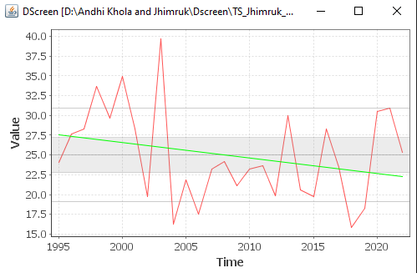
2009 | 21.10401648 | 21.59457275 | 14 | r(14) | -0.1275767677 |  | Persistence test :
2010 | 23.18689589 | 21.853930002 |  |  |  |  | Series Start = 1995 End = 2022 Length = 28
2011 | 23.62412904 | 23.070489674
2012 | 19.85898634 | 22.393545572 |  |  |  |  | Null hypothesis: There is no lag-1 persistence in the series
2013 | 29.98053699 | 23.550912948 |  |  | 2013 | 2012
2014 | 20.55781096 | 23.441671844 |  |  |  | 2013 | r(1) = 0.043
2015 | 19.73936986 | 22.752166638 |  |  |  | 2014
2016 | 28.33258743 | 23.693858316 |  |  |  | 2015 | Alpha 0.10 0.05 0.02 0.01
2017 | 23.42462568 | 24.406986184 |  |  |  | 2016 | UCL 0.311 0.370 0.440 0.487
2018 | 15.85299452 | 21.58147769 |  |  |  |  | LCL -0.311 -0.370 -0.440 -0.487
2019 | 18.27254918 | 21.124425334
2020 | 30.5201989 | 23.280591142 |  |  |  |  | Mann-Kendall trend test :
2021 | 30.95216164 | 23.804505984 |  |  |  |  | Series Start = 1995 End = 2022 Length = 28
2022 | 25.30703014 | 24.180986876
 |  |  |  |  |  |  | Null hypothesis: There is no trend in the series

 |  |  |  |  |  |  | S = -44 | -44 | TRUE
 |  |  |  |  |  |  | tau = -0.1164
 |  |  |  |  |  |  | p = 0.3975
 |  |  |  |  |  |  | Since P (0.3975)> 0.05(significance level), there is no significant trend

 |  |  |  |  |  |  | Apparent trend : Start = 1995 End = 2022 Length = 28

 |  |  |  |  |  |  | Estimate SE t-stat Pr(>|t|)
 |  |  |  |  |  |  | Const 27.52 2.140 12.86 <0.0001 ***
 |  |  |  |  |  |  | Slope -0.1876 0.1360 -1.379 0.1797

 |  |  |  |  |  |  | Residual SE: 5.815 Regression DF: 26
 |  |  |  |  |  |  | R-squared: 0.06814 Adj R-squared: 0.03230

 |  |  |  |  |  |  | There is apparent trend of decreasing annual discharge by 0.18 m3/s per year.
 |  |  |  |  |  |  | This change is not significant change

5 years moving average
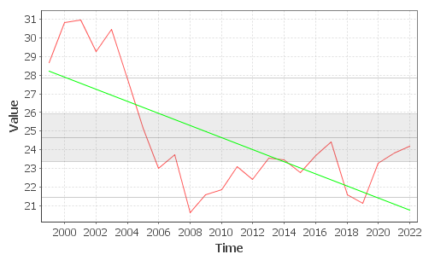
1999 | 28.661007362 | Open a time series file to start
2000 | 30.845957666
2001 | 30.97067783 | File: 'D:\Andhi Khola and Jhimruk\Dscreen\TS_Jhimruk_Q5rave_ann.txt'
2002 | 29.251291634
2003 | 30.45288724 | Statistics : Start = 1999 End = 2022 Length = 24
2004 | 27.766927182
2005 | 25.153518424 | Mean SD Skew SE CV
2006 | 23.012004834 | 24.63 3.201 0.8475 0.6534 0.1299
2007 | 23.722893602
2008 | 20.620790766 | Summary : Start = 1999 End = 2022 Length = 24
2009 | 21.59457275
2010 | 21.853930002 | Min Q1 Median Q3 Max
2011 | 23.070489674 | 20.62 22.57 23.62 26.46 30.97
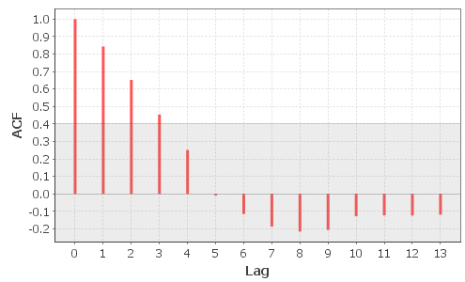
2012 | 22.393545572
2013 | 23.550912948 | Persistence test :
2014 | 23.441671844 | Series Start = 1999 End = 2022 Length = 24
2015 | 22.752166638
2016 | 23.693858316 | Null hypothesis: There is no lag-1 persistence in the series
2017 | 24.406986184
2018 | 21.58147769 | r(1) = 0.843
2019 | 21.124425334
2020 | 23.280591142 | Alpha 0.10 0.05 0.02 0.01
2021 | 23.804505984 | UCL 0.336 0.400 0.475 0.526
2022 | 24.180986876 | LCL -0.336 -0.400 -0.475 -0.526

 |  | Persistence test (pre-white) :
 |  | Series Start = 1999 End = 2022 Length = 24

 |  | Null hypothesis: There is no lag-1 persistence in the series

 |  | r(1) = 0.026

 |  | Alpha 0.10 0.05 0.02 0.01
 |  | UCL 0.336 0.400 0.475 0.526
 |  | LCL -0.336 -0.400 -0.475 -0.526

 |  | Mann-Kendall trend test (pre-white) :
 |  | Series Start = 1999 End = 2022 Length = 24

 |  | Null hypothesis: There is no trend in the series

 |  | S = -26
 |  | tau = -0.09420
 |  | p = 0.5377

 |  | Spearman rank-order trend test (pre-white) :
 |  | Series Start = 1999 End = 2022 Length = 24

 |  | Null hypothesis: There is no trend in the series

 |  | S = 2602.00
 |  | rho = -0.1313
 |  | p = 0.5393

